content
Casting wall thickness for castability and internal pressure linked to SOP-569 Rev.0

INSTRUCTIONS
This worksheet calculates the wall thickness of castings based on the material and hydraulic diameter.
Sheet "casting wall thickness"
Calculation sheet and diagram

0 | 2025-07-25 | First issue | Advance Mechanical Design Manager - F. Cademartori | Client Qualification/ EHSS - A. Banfi/ T. Morelli Stefani | R&D & Prod. Eng. Manager - M. Borghetti
Rev. | Date | Description | Prepared | Checked | Approved
Mod.546-0

casting wall thickness
 | cast iron, bronze, brass | steel |  |  |  | Legend
A [in] | tb [in] | ts [in] | Unit | S.I. | (S.I. o U.S.) | input data
0 | 0.3750 | 0.2750 | volute | double | (single or double volute) | descriptor
10 | 0.5000 | 0.4125 |  |  | (casting material) | calculated
20 | 0.6500 | 0.5500 |  |  |  | annotation
30 | 0.7875 | 0.6875 | p [MPa] | 10.00 | (design pressure)
40 | 0.9250 | 0.8250 | A [mm] | 480.00 | (scroll diameter) | Warnings legend
50 | 1.0625 | 0.9500 | Sy [MPa] | 450.00 | (yield stress s at operating temperature) | 0 | not allowable
60 | 1.2000 | 1.1000 | Su [MPa] | 600.00 | (ultimate stress at operating temperature) | 0.5 | near to limit
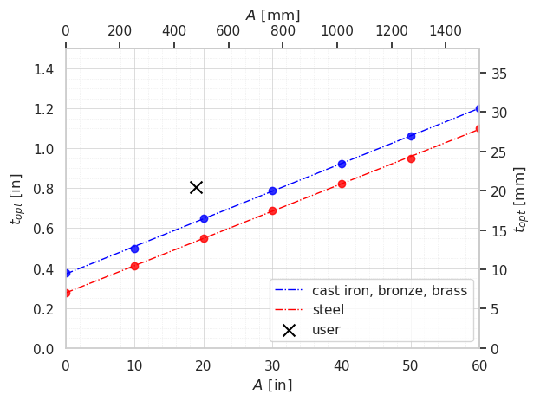
 |  |  | examination | visual |  | 1 | allowable
 |  |  | C.F. [-] | 0.8 | (casting factor)
 | 2 | 508 | t₀ [mm] | 3.00 | (minimum corrosion allowance)
 |  |  | S [MPa] | 137.14 | (allowable stress including casting factor)
 |  |  | t₁ [mm] | 13.56 | (casting wall thickness for castability)
 | visual | 0.8 | t₂ [mm] | 17.50 | (minimum allowable thickness for ASME III ND3440)
 | magnetic particle | 0.85 | tₒₚₜ [mm] | 20.50 | (minimum allowable thickness)
INSTRUCTIONS:
1) Select the unit of measurement.
2) Specify the pump type (single volute or double volute).
3) Select the material.
4) Define the design pressure, p.
5) Specify the scroll diameter, A.
Note: if A exceeds 20 inches (508 mm), the ASME formula may no longer be valid and results should be interpreted with caution.
6) Determine the yield stress Sy and ultimate stress Su at operating temperature.
7) Define examination.
8) Define the minimum corrosion allowance, t₀, for pressure-retaining components.
Reference: API 610 recommends a minimum of 0.12 inches (3 mm).
9) Calculate the required thickness for castability, t₁.
10) Calculate the required thickness according to ASME Section III, t₂.
11) Determine the final required thickness t_{mn} as the greater of t₁ and t₂.
NOTE: This sheet does not perform unit conversions. Ensure that all input values are provided in consistent units throughout the calculation process.
 | liquid penetrant | 0.85
 | radiography | 1
 | ultrasonic | 1
 | magnetic particle/liquid penetrant + ultrasonic/radiography | 1

